Script
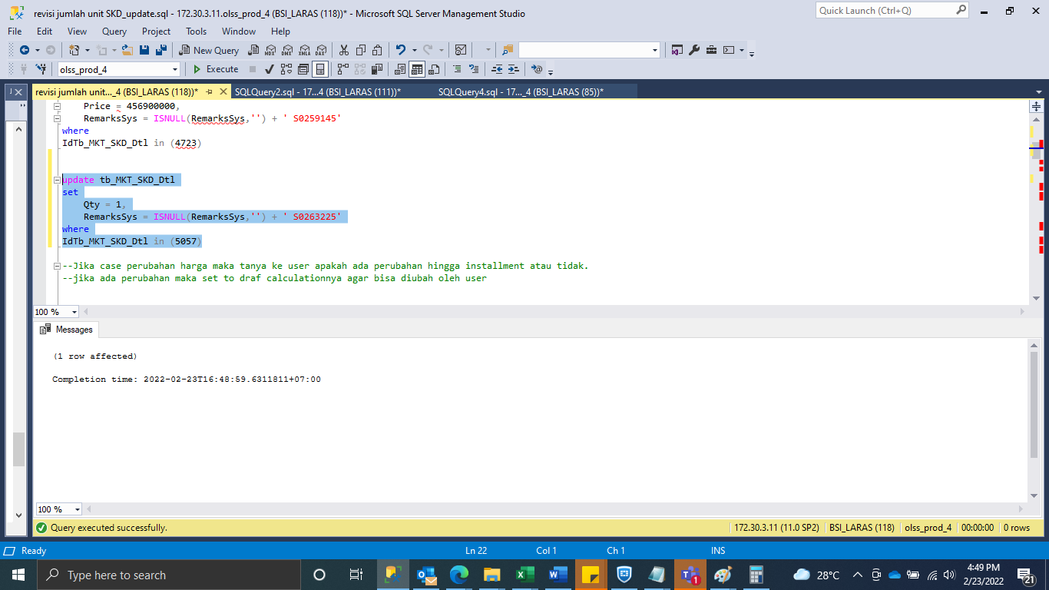
update tb_MKT_SKD_Dtl
set
Qty = 1,
RemarksSys = ISNULL(RemarksSys,'') + ' S0263225'
where
IdTb_MKT_SKD_Dtl in (5057)

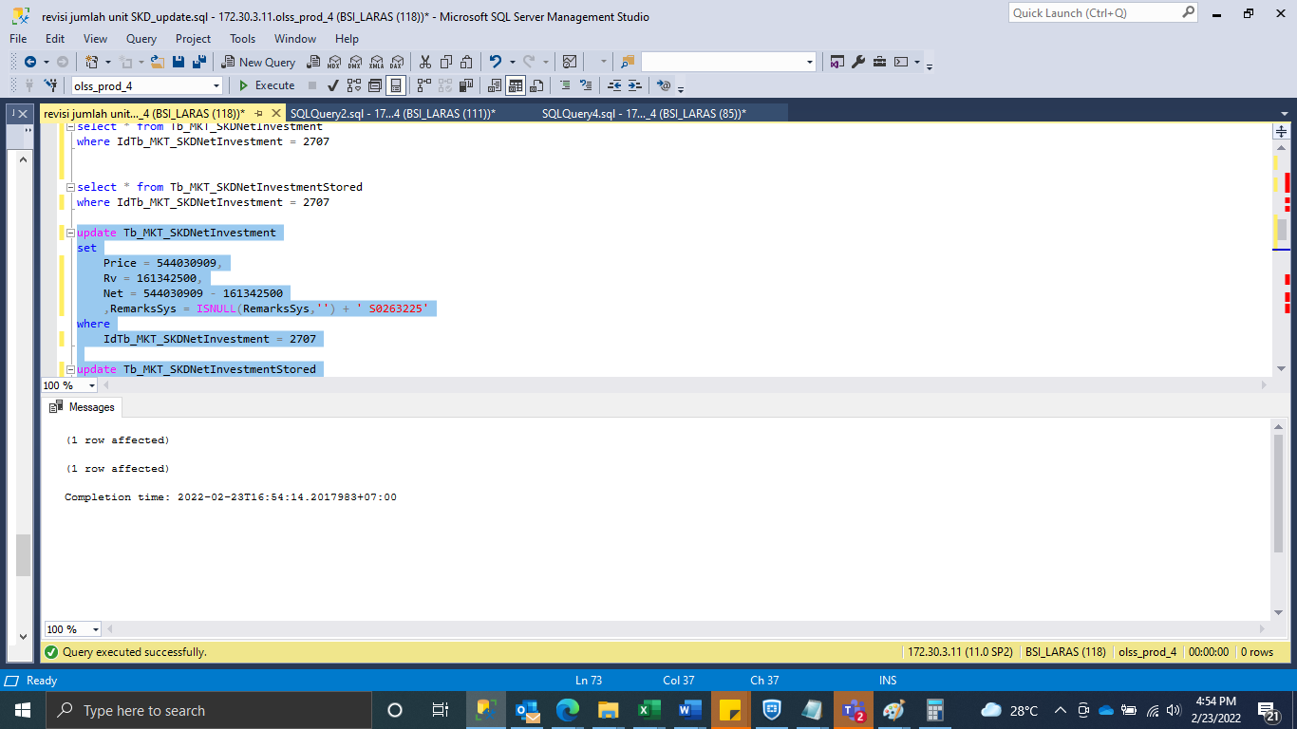
update Tb_MKT_SKDNetInvestment
set
Price = 544030909,
Rv = 161342500,
Net = 544030909 - 161342500
 | ,RemarksSys = ISNULL(RemarksSys,'') + ' S0263225'
where
IdTb_MKT_SKDNetInvestment = 2707

update Tb_MKT_SKDNetInvestmentStored
set
Price = 544030909,
Rv = 161342500,
Net = 544030909 - 161342500
 | ,RemarksSys = ISNULL(RemarksSys,'') + ' S0263225'
where
IdTb_MKT_SKDNetInvestment = 2707

Capture
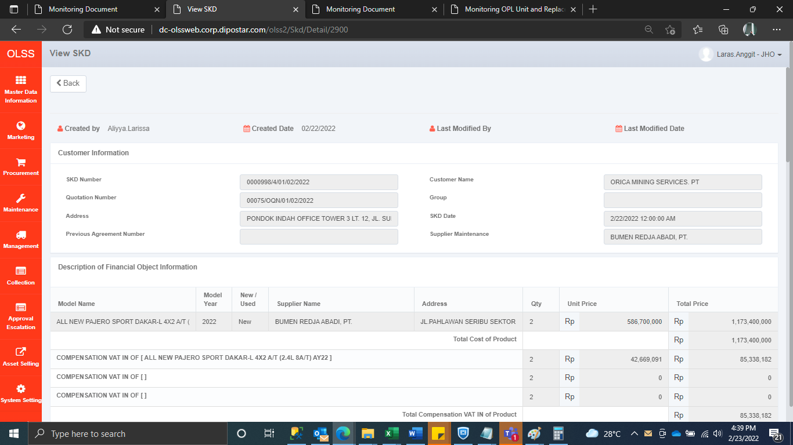
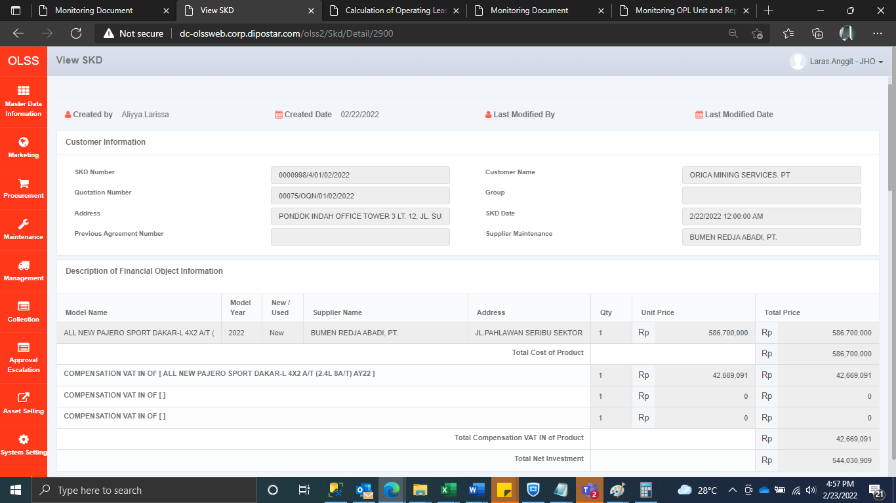
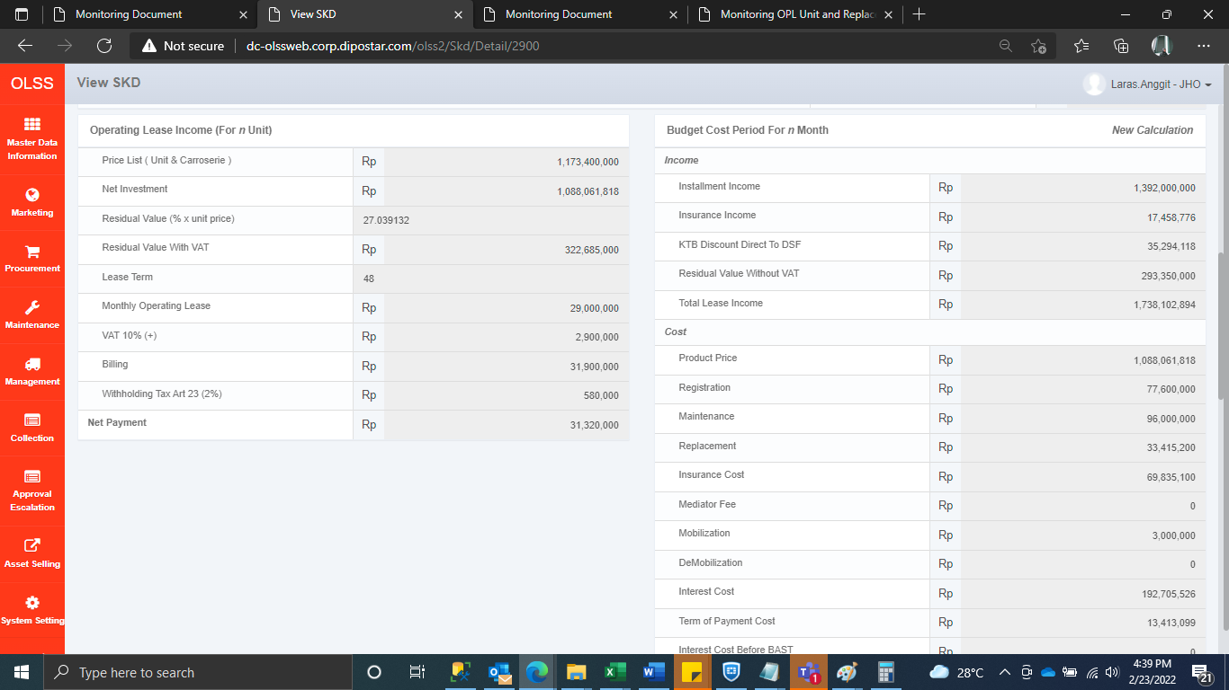
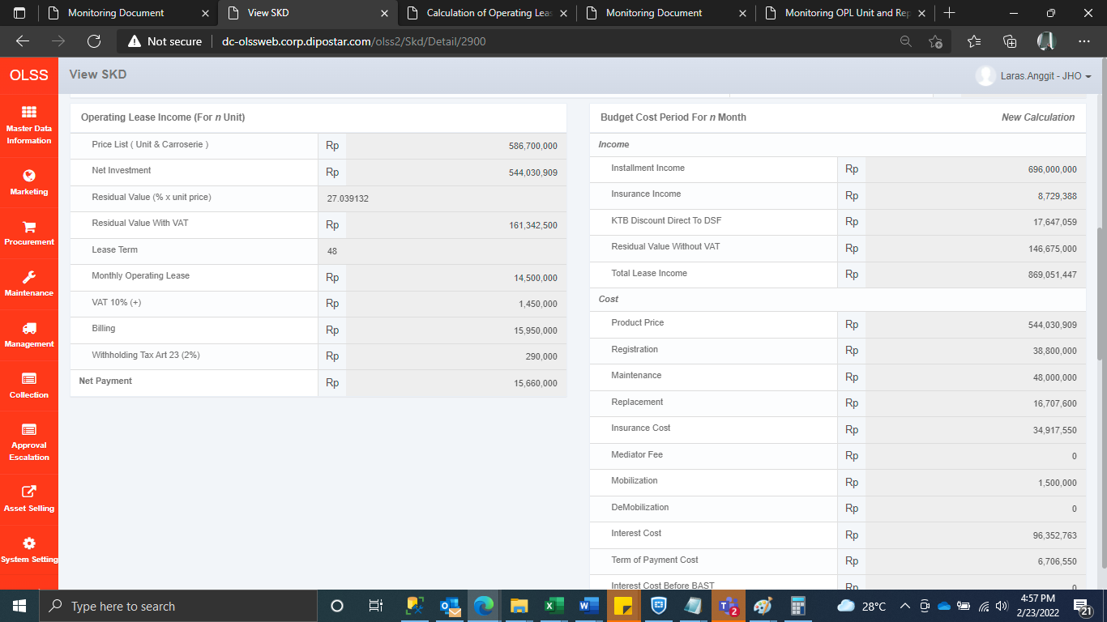
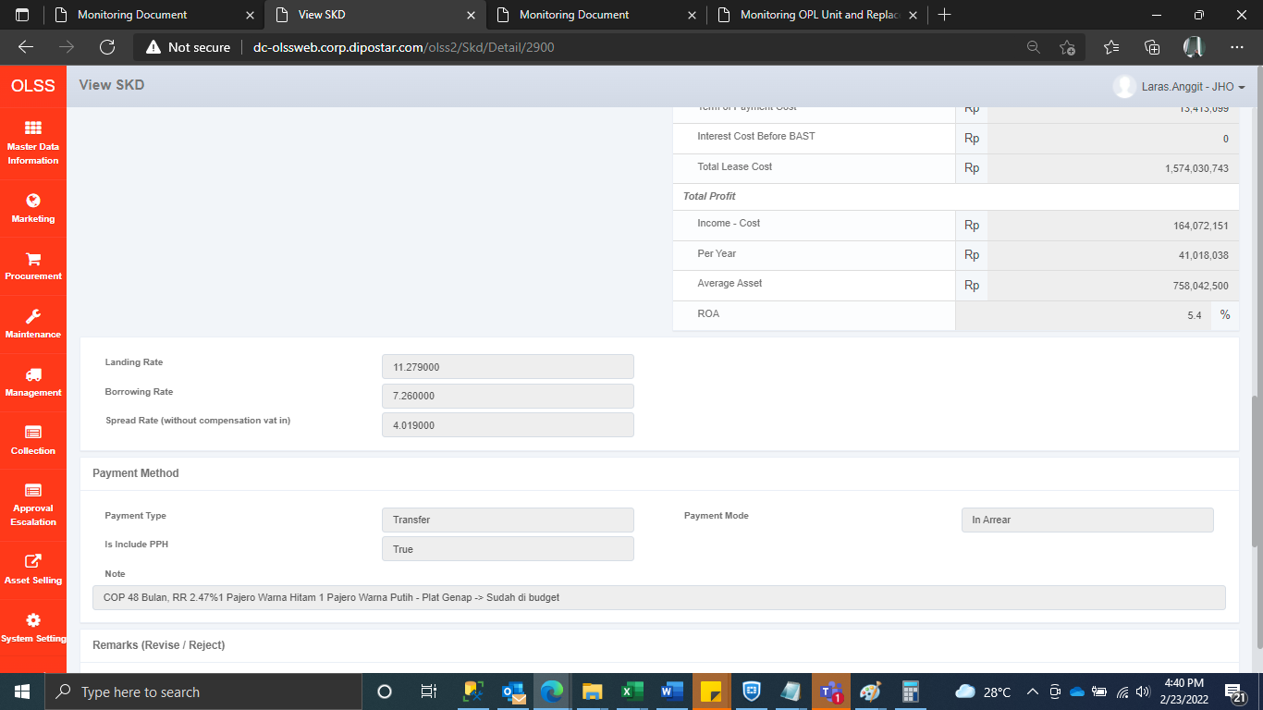
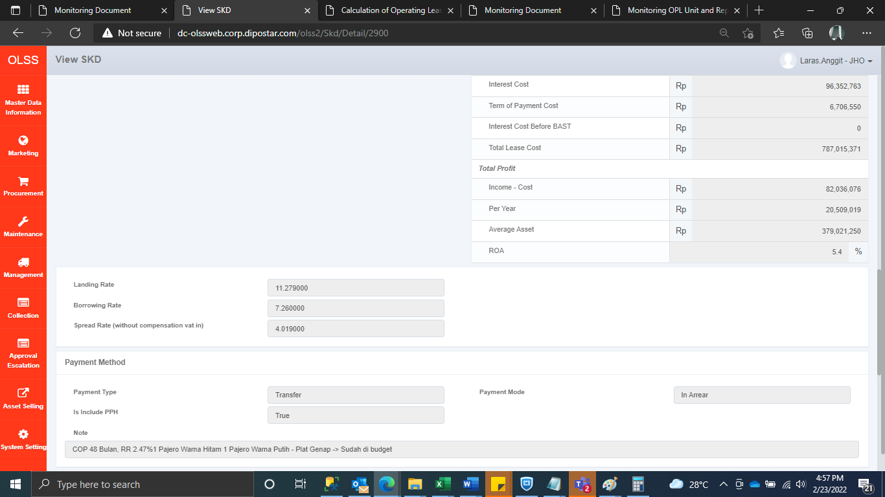
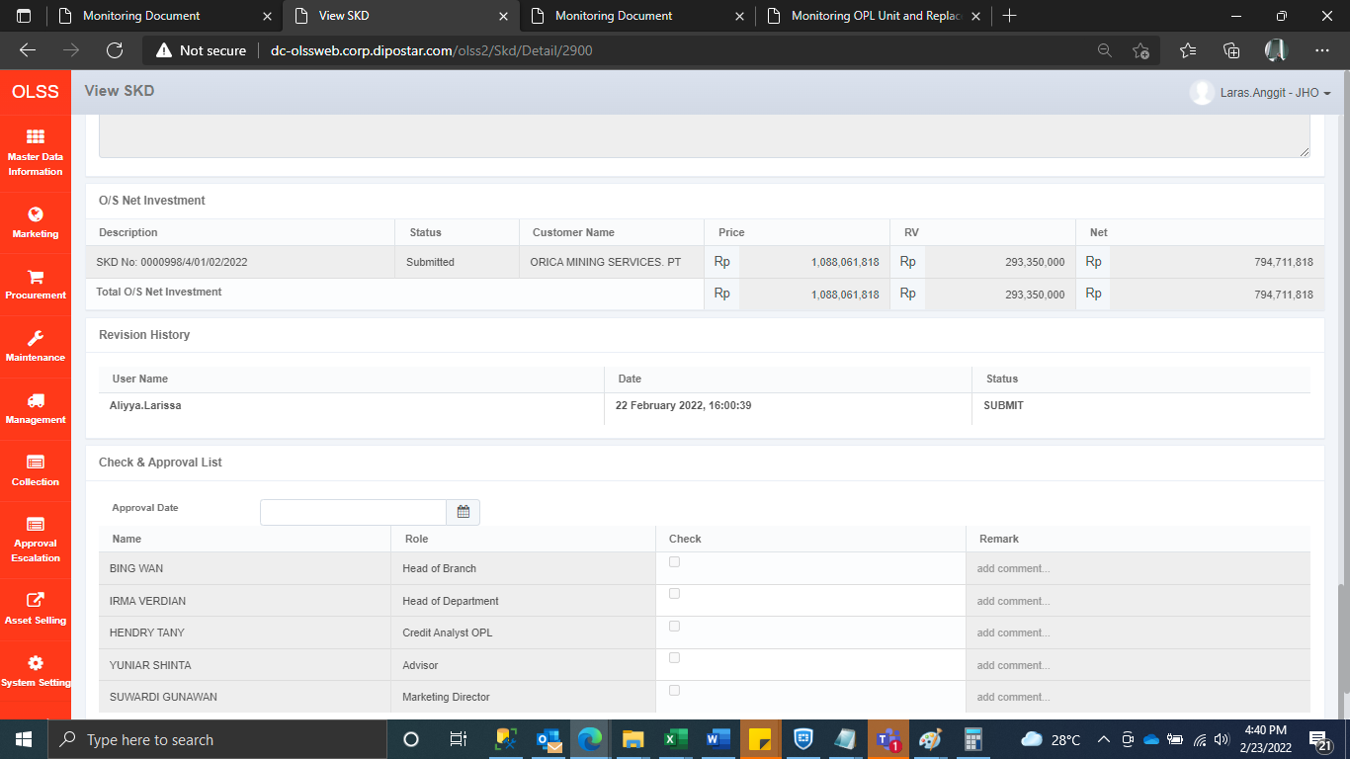
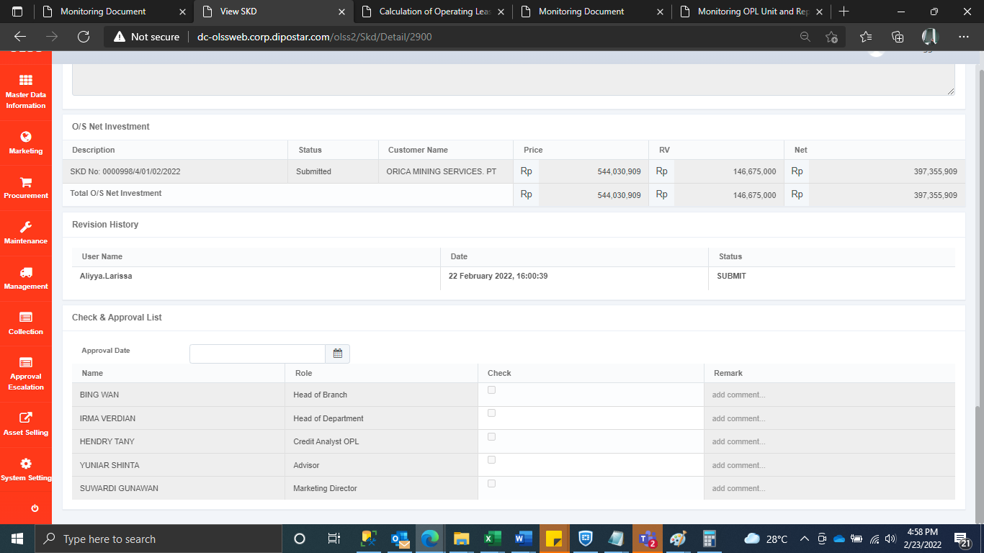
Before | After

